Table 2-4
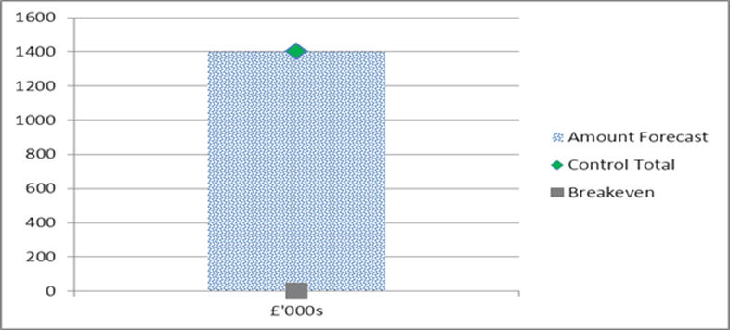
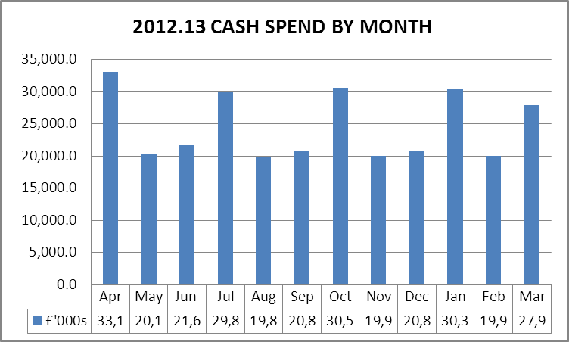
TABLE 2 - BETTER PAYMENT PRACTICE |  |  | TABLE 4 - CASH
CSS

Better Payment Practice Code - Measure of Compliance | Number | £000s

Non-NHS Payables
Total Non-NHS Trade Invoices Paid in the Year | 3,087 | 45,390
Total Non-NHS Trade Invoices Paid Within Target | 2,406 | 43,738
Percentage of Non-NHS Trade Invoices Paid Within Target | 77.9 | 96.4
NHS Payables
Total NHS Trade Invoices Paid in the Year | 719 | 49,443
Total NHS Trade Invoices Paid Within Target | 658 | 48,834
Percentage of NHS Trade Invoices Paid Within Target | 91.5 | 98.8 | TABLE 4- QIPP
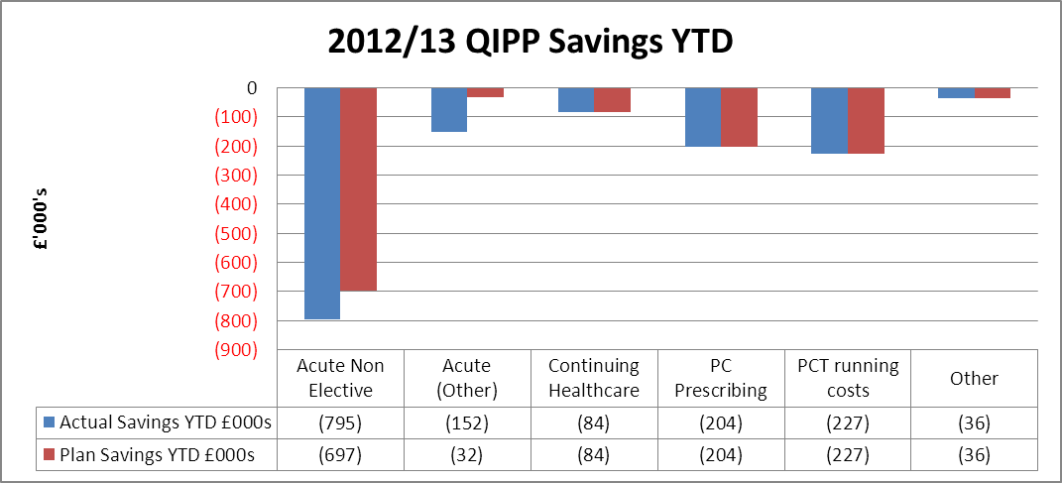
From 1st April the CSS are now managing our payments using a new invoice approval system. We have met the target with value but not in number. We are currently completeing some focused work in this area to clear invoices on the system which are pre 1st April and as such this is affecting the BPPC.

NELC Shared Service

Better Payment Practice Code - Measure of Compliance | Number | £000s

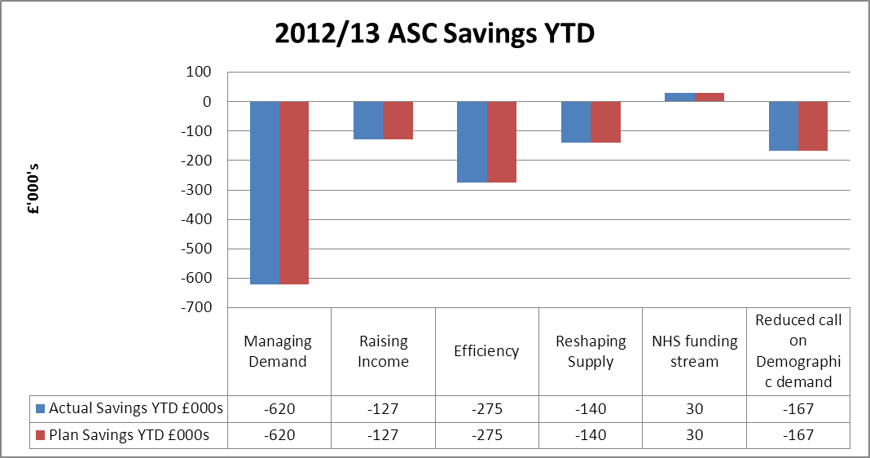
Non-NHS Payables
Total Non-NHS Trade Invoices Paid in the Year | 8,366 | 9,872
Total Non-NHS Trade Invoices Paid Within Target | 7,352 | 8,598
Percentage of Non-NHS Trade Invoices Paid Within Target | 87.9 | 87.1
Target achieved for April and May, further investigation is taken place as to why not
meeting targets in June & July
Table 3 - Surplus

